Readme
 |  | PROTOCOL PLANNER |  |  |  |  | CG000698
 |  | Visium HD Spatial Gene Expression |  |  |  |  | Rev F

Introduction
 | The Visium HD Spatial Gene Expression assay is compatible with formalin fixed, paraffin embedded (FFPE), fresh frozen (FF), and fixed frozen (FxF) tissue sections. This document contains a workflow overview that summarizes the Visium HD Spatial Gene Expression workflow, a list of documentation for protocol 1.0 (Visium HD Slide 6.5 mm only) and protocol 2.0 (Visium HD Slides 6.5 mm & 11 mm), overview of data analysis, and third-party reagents and equipment necessary for executing the workflow. Items produced by 10x Genomics are not listed in this document.

 | Copy-Paste Guidelines: The sheet is protected to prevent altering the content. In order to copy-paste, right click to select a cell's text.
 | Printing Guidelines: The print area has been set for each tab in this document. Go to Print. For orientation, select "Portrait." For scaling, select "Fit all columns to one page." To print the entire workbook, Go to Print and under settings select "Print Entire Workbook." To create a pdf document, go to Print and select "Adobe PDF" as the printer. Do not go to "Save as Adobe PDF."

Workflow Overview
Visium HD Spatial Gene Expression
 | 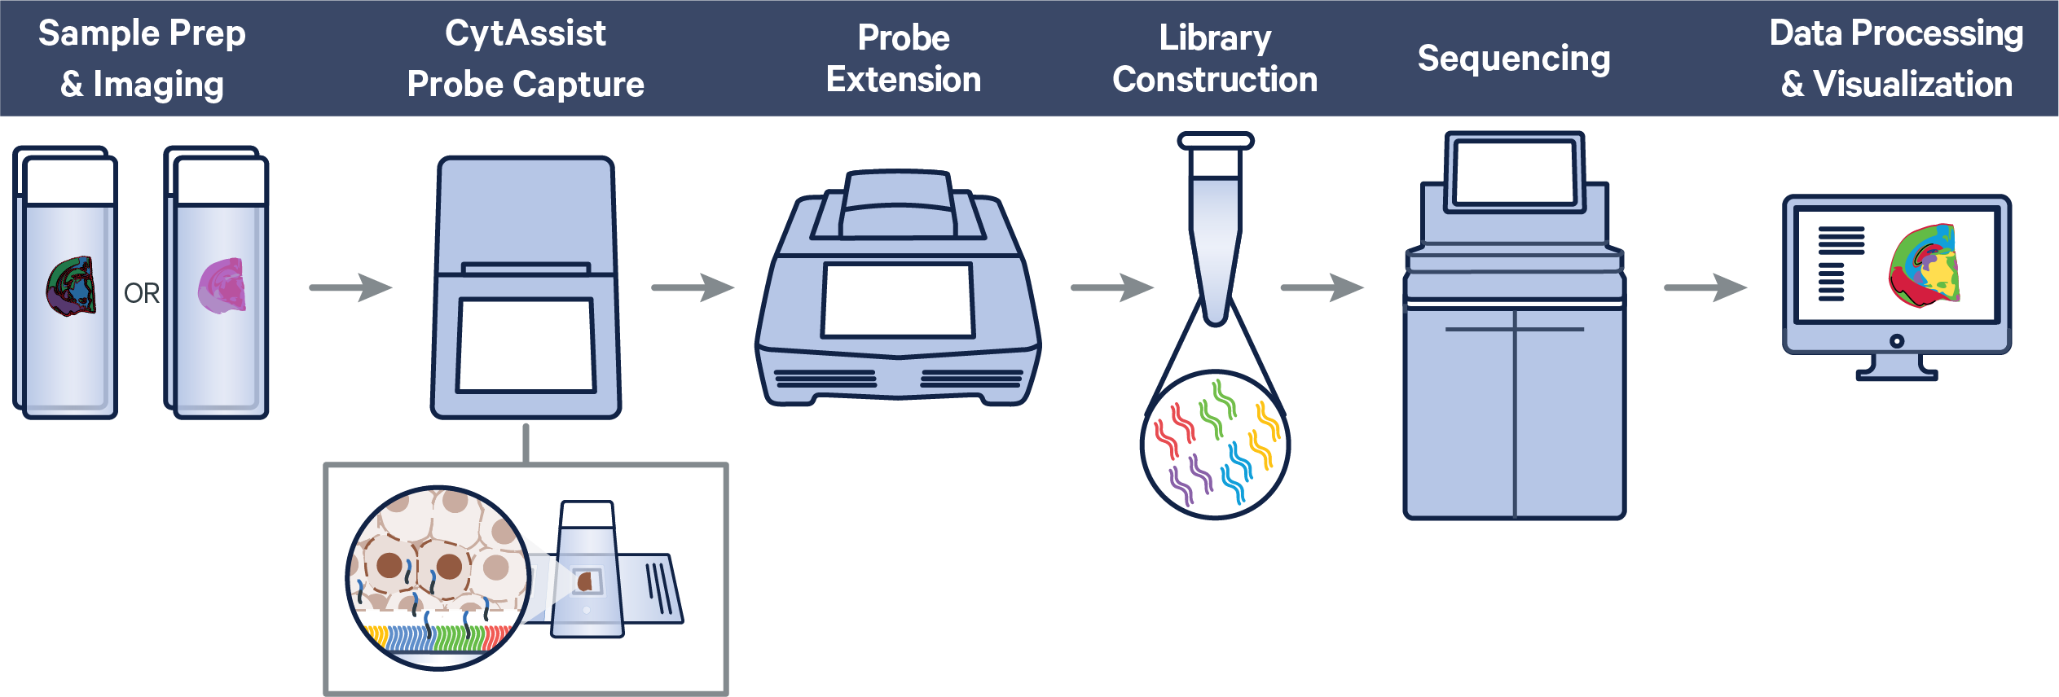
 | Figure 1. Visium HD Spatial Gene Expression Workflow Overview

Document Resources
Visium HD Spatial Gene Expression
 | Select protocol and tissue preservation method. The relevant handbook and assay user guide will be highlighted. The Experimental Design & Planning documents are common for both protocol 1.0 and 2.0. For Tissue Slide Preparation and Library Construction, protocol 2.0 documents include “2.0” in the title and are compatible with both Visium HD 6.5 mm and 11 mm slides, while protocol 1.0 documents (without “1.0” in the title) are compatible only with Visium HD 6.5 mm slides.

 | Select one protocol: |  | 1.0 | and | Select one tissue preservation option: | FFPE

 | Steps |  | Document |  |  | Section on 10x Genomics Support Website & Doc Number
1 | Experimental Design & Planning Before starting the experiment, refer to these documents for protocol planning and preparation. |  | Visium HD Spatial Gene Expression Protocol Planner Workflow overview and additional reagents for Visium HD workflow. |  |  | User Guide CG000698
 |  |  | Visium Cassette S3 Quick Reference Card Practice cassette assembly and disassembly. |  |  | User Guide CG000730
 |  |  | Visium CytAssist Quick Reference Card for Accessory Kit Instruction Determine allowable areas for tissue slides. |  |  | User Guide CG000548
 |  |  | Visium CytAssist Instrument User Guide with Readiness Test Provides information on set up and maintenance of the Visium CytAssist instrument. |  |  | User Guide CG000542
 |  |  | Visium CytAssist Spatial Training Kit User Guide Practice using the Visium CytAssist instrument. |  |  | User Guide CG000549
 |  |  | Visium HD Spatial Applications Imaging Guidelines Understand imaging requirements for the Visium HD workflow. |  |  | Technical Note CG000688
2 | Tissue Slide Preparation and Staining Prepare tissue slides. Choose one handbook. |  | Visium HD FFPE Tissue Preparation Handbook 2.0 Processing archived tissue sections, FFPE tissue sectioning and placement, RNA quality assessment, H&E staining, and IF staining using Visium HD slides (6.5 & 11 mm) & protocol 2.0. |  |  | Demonstrated Protocol CG001676
 |  |  | Visium HD FFPE Tissue Preparation Handbook Processing archived tissue sections, FFPE tissue sectioning and placement, RNA quality assessment, H&E staining, and IF staining using Visium HD slides (6.5 mm) & protocol 1.0. |  |  | Demonstrated Protocol CG000684
 |  |  | Visium HD FF Tissue Preparation Handbook 2.0 Freezing and embedding tissue sections, tissue sectioning and placement, RNA quality assessment, H&E staining, and IF staining using Visium HD slides (6.5 & 11 mm) & protocol 2.0. |  |  | Demonstrated Protocol CG001677
 |  |  | Visium HD FF Tissue Preparation Handbook Freezing and embedding tissue sections, tissue sectioning and placement, RNA quality assessment, H&E staining, and IF staining using Visium HD slides (6.5 mm) & protocol 1.0. |  |  | Demonstrated Protocol CG000763
 |  |  | Visium HD FxF Tissue Preparation Handbook 2.0 Fixing and embedding tissue sections, sectioning and section placement, RNA quality assessment, H&E staining, and IF staining using Visium HD slides (6.5 & 11 mm) & protocol 2.0. |  |  | Demonstrated Protocol CG001678
 |  |  | Visium HD FxF Tissue Preparation Handbook Fixing and embedding tissue sections, sectioning and section placement, RNA quality assessment, H&E staining, and IF staining using Visium HD slides (6.5 mm) & protocol 1.0. |  |  | Demonstrated Protocol CG000764
3 | Library Construction Perform library construction. |  | Visium HD Spatial Gene Expression User Guide 2.0 Construct Visium HD Spatial Gene Expression - Probe-based libraries using Visium HD slides (6.5 mm & 11 mm) and protocol 2.0 |  |  | User Guide CG001679
 |  |  | Visium HD Spatial Gene Expression Reagent Kits User Guide Construct Visium HD Spatial Gene Expression - Probe-based libraries using Visium HD slides (6.5 mm) & protocol 1.0. |  |  | User Guide CG000685

Data Analysis Overview – Visium HD Spatial Gene Expression

 | Figure 2. Visium HD Spatial Gene Expression Data Analysis Overview. Space Ranger outputs can be analyzed with Loupe (.cloupe file) or third-party tools (most other output files). For detailed information on analysis of Visium HD data, refer to 10x Genomics Software Support site.

 | Key information that should be collected and provided to the data analyst/bioinformatician to ensure that parameters are set appropriately for Space Ranger to analyze the data:
 | • | Sample name, library type, sample index set, and sample index plate well location
 | • | The corresponding imaging type (Brightfield vs Fluorescence [color composite] vs Fluorescence [multipage TIFF]) for the supplied image of the tissue slide. For fluorescence, specify which channel is DAPI.
 | • | Visium slide serial number and Capture Area on the slide corresponding to each sample (also present in CytAssist metadata)
 | • | The CytAssist instrument-captured Brightfield image with fiducial frame

Document Revision Summary
 | Updated | Version | Summary of Changes
 | 2026-03-18 | Rev F | Updated to include Visium HD protocol 2.0 document numbers

 | © 2026 10x Genomics, Inc. FOR RESEARCH USE ONLY. NOT FOR USE IN DIAGNOSTIC PROCEDURES.

Contact
 | support@10xgenomics.com
 | 10x Genomics, Inc.
 | 6230 Stoneridge Mall Road
 | Pleasanton, CA 94588 USA

Tested Thermal Cyclers
 | PROTOCOL PLANNER | CG000698 Rev F | 10xgenomics.com
 | Visium HD Spatial Gene Expression DRAFT - DO NOT DISTRIBUTE

Tested Thermal Cyclers
 | The table below lists the thermal cyclers that have been tested by 10x Genomics for all available Visium HD Spatial Gene Expression assays.

 | Description | Supplier | Part Number (US) | Customer Notes
 | C1000 Touch Thermal Cycler with 96-Deep Well Reaction Module (discontinued) | Bio-Rad | 1851197
 | PTC Tempo Deepwell Thermal Cycler* | Bio-Rad | 12015392
 | Biometra TAdvanced 96 SG/S with 96-well block (silver, 0.2 mL) and gradient function** | Analytik Jena | 846-x-070-241/846-x-070-251 (x = 2 for 230 V; 4 for 115 V; 5 for 100 V, 50-60 Hz)
 | Mastercycler X50s/X50a*** | Eppendorf | 6311000010
 | VeritiPro Thermal Cycler, 96-well | Thermo Fisher Scientific | A48141
• | Requires firmware 1.2.0 or later.
• | Open lid slowly to avoid disturbing the cassette.
• | When working with tubes, VeritiPro requires blue MicroAmp 96-Well Tray/Retainer Set for Veriti Systems (PN-4381850), with top piece removed and "Cover Ramping" enabled.

• | After incubation in any thermal cycler, if the cassette becomes stuck to the lid, remove carefully.
* | If used with a single cassette, place the cassette on the side of the Low Profile Thermocycler Adapter furthest away from the thermal cycler hinge to prevent lid lock errors.
• ** *** | For select instruments, ramp rates should be adjusted for all steps as described below: Analytik Jena Biometra TAdvanced 96 SG/S: 2°C/sec for both heating and cooling Eppendorf Mastercycler X50s/x50a: 3°C/sec heating and 2°C/sec cooling
• | If reactions are performed on a slide, a thermal cycler must be able to accommodate the dimensions of the Low Profile Thermocycler Adapter, including well depth (4.5 mm), distance between block and heated lid (12 mm), and reaction block dimensions (95.5 x 73 mm).
• | If reactions are performed in a tube (Probe Elution onward), thermal cycler should have uniform heating of 100 μl volumes, a temperature-controlled lid, and a 96 deep-well block or 0.2 ml block configuration.

 | 