Readme
 |  | PROTOCOL PLANNER |  |  |  | CG000748
 |  | Chromium GEM-X Single Cell Gene Expression v4 & Immune Profiling v3 |  |  |  | Rev A

 | Chromium GEM-X Single Cell technology provides comprehensive, scalable solutions for gene expression and immune profiling of hundreds to tens of thousands of cells. This Protocol Planner provides workflow and data analysis overviews for the Chromium GEM-X Single Cell 3' v4 and Chromium GEM-X Single Cell 5' v3 assays. To enable efficient planning, lists of user-acquired reagents and consumables as well as information about supporting documentation that will be available for executing the workflows, are also provided. 10x Genomics Single Cell Reagent Kits are not listed in this document.
 | Copy-Paste Guidelines: The sheet is protected to prevent altering the content. To copy-paste, right click to select a cell's text.
 | Printing Guidelines: The print area has been set for each tab in this document. Go to Print. For orientation, select "Portrait+B23". For scaling, select "Fit all columns to one page". To print the entire workbook, Go to Print and select "Print Entire Workbook" under settings. To create a pdf document, go to Print and select "Adobe PDF" as the printer. Do not go to "Save as Adobe PDF".

Workflow Overview
Chromium GEM-X Single Cell 3' v4 with Feature Barcode technology for Cell Surface Protein

 | 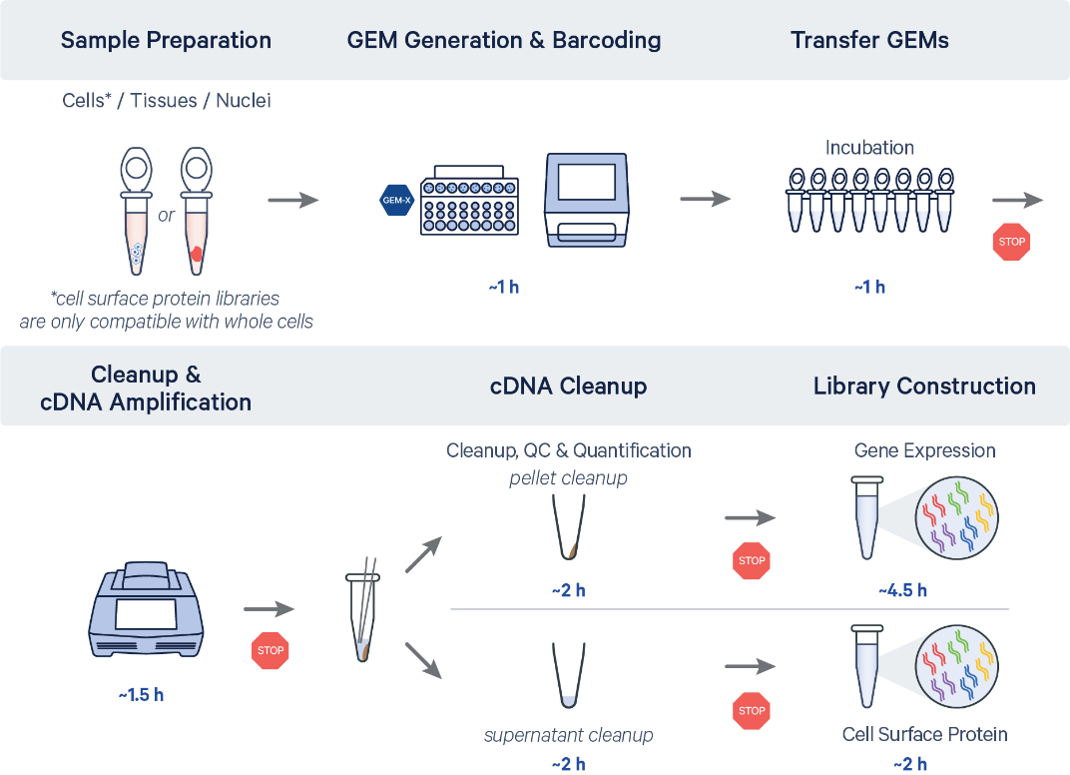 |  |  | For the generation of cell surface protein libraries, cells are labeled with appropriate antibody-oligonucleotide conjugates prior to GEM generation.

 | Chromium GEM-X Single Cell 5' v3 with Feature Barcode technology for Cell Surface Protein & CRISPR Screening
 | 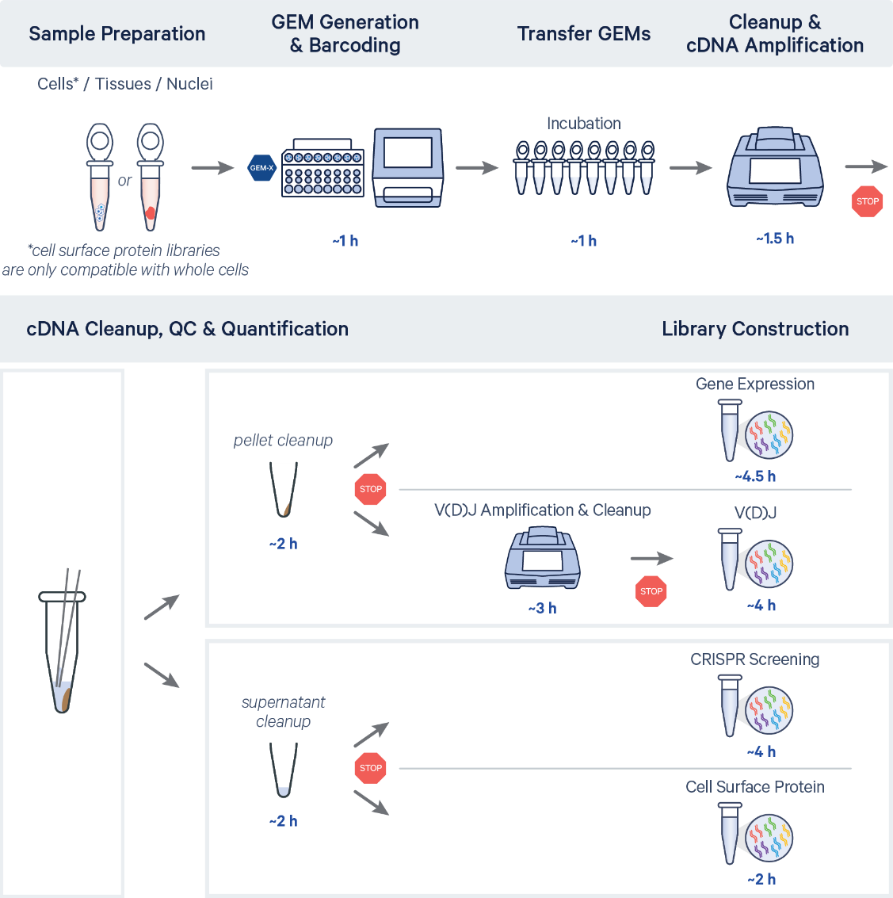 |  |  | For the generation of cell surface protein libraries, cells are labeled with appropriate antibody-oligonucleotide conjugates prior to GEM generation.

Document Resources
Chromium GEM-X Single Cell Gene Expression v4 and Immune Profiling v3

 | Steps |  | Document |  | Document Number
 | Experimental Design & Planning Before starting the experiment, consult these documents for protocol planning & preparation. |  | Protocol Planner Workflow overview and additional reagents for workflow |  | Planner CG000748
 | Sample Preparation Prepare samples |  | Cell Preparation Handbook General guidance on sample preparation best practices |  | Handbook CG000053
 |  |  | Specific Sample Preparation Documents General guidance on specific sample preparation protocols |  | Refer to 10x Genomics Support website
 |  |  | Cell Surface Protein Labeling Demonstrated Protocol Label cells with antibody-oligonucleotide conjugates for use with 10x Genomics Single Cells Protocols with Feature Barcode technology for Cell Surface Protein |  | Demonstrated Protocol CG000149
 | Library Construction - 3' v4 Perform library construction. |  | Chromium GEM-X Single Cell 3' Reagent Kits v4 Construct 3' Gene Expression libraries |  | User Guide CG000731
 |  |  | Chromium GEM-X Single Cell 3' Reagent Kits v4 with Feature Barcode technology for Cell Surface Protein Construct 3' Gene Expression and Cell Surface Protein libraries |  | User Guide CG000732
 | Library Construction - 5' v3 Perform library construction. |  | Chromium GEM-X Single Cell 5' Reagent Kits v3 Construct 5' Gene Expression and V(D)J libraries |  | User Guide CG000733
 |  |  | Chromium GEM-X Single Cell 5' Reagent Kits v3 with Feature Barcode technology for Cell Surface Protein Construct 5' Gene Expression, V(D)J & Cell Surface Protein libraries |  | User Guide CG000734
 |  |  | Chromium GEM-X Single Cell 5' Reagent Kits v3 with Feature Barcode technology for CRISPR Screening Construct 5' Gene Expression, V(D)J & CRISPR libraries |  | User Guide CG000735
 |  |  | Chromium GEM-X Single Cell 5' Reagent Kits v3 with Feature Barcode technology for CRISPR Screening & Cell Surface Protein Construct 5' Gene Expression, V(D)J, CRISPR & Cell Surface Protein libraries |  | User Guide CG000736

Analysis of Chromium GEM-X Gene Expression v4 & Immune Profiling v3 Data
 | Libraries generated using the Chromium GEM-X Single Cell Reagent Kits can be analyzed with Cell Ranger 8.0 and visualized using Loupe Cell Browser 7.0.1. For detailed information on the analysis of Chromium GEM-X Single Cell Gene Expression v4 & Immune Profiling v3 data, refer to 10x Genomics Software Support website.

Data Analysis Overview – Chromium GEM-X Single Cell 3' v4

Data Analysis Overview – Chromium GEM-X Single Cell 5' v3

 | Key information that should be collected and provided to the data analyst/bioinformatician to ensure that parameters are set appropriately for Cell Ranger to analyze the data:
 | • | Libraries created (e.g., Gene Expression, BCR/TCR, Cell Surface Protein)
 | • | Sample and Chromium Single Cell library name to be appended to the FASTQ file name and the corresponding library type
 | • | Expected number of cells per sample
 | • | Cell types loaded and their proportions
 | • | The sample indices used for each Chromium Single Cell library generated

Document Revision Summary
 | Updated | Version | Summary of Changes
 | 2024-03-01 | Rev A

 | © 2024 10x Genomics, Inc. (10x Genomics). All rights reserved. Duplication and/or reproduction of all or any portion of this document without the express written consent of 10x Genomics, is strictly forbidden. Nothing contained herein shall constitute any warranty, express or implied, as to the performance of any products described herein. Any and all warranties applicable to any products are set forth in the applicable terms and conditions of sale accompanying the purchase of such product. 10x Genomics provides no warranty and hereby disclaims any and all warranties as to the use of any third-party products or protocols described herein. The use of products described herein is subject to certain restrictions as set forth in the applicable terms and conditions of sale accompanying the purchase of such product. A non-exhaustive list of 10x Genomics’ marks, many of which are registered in the United States and other countries can be viewed at: www.10xgenomics.com/trademarks. 10x Genomics may refer to the products or services offered by other companies by their brand name or company name solely for clarity, and does not claim any rights in those third-party marks or names. 10x Genomics products may be covered by one or more of the patents as indicated at: www.10xgenomics.com/patents. All products and services described herein are intended FOR RESEARCH USE ONLY and NOT FOR USE IN DIAGNOSTIC PROCEDURES. The use of 10x Genomics products in practicing the methods set forth herein has not been validated by 10x Genomics, and such non-validated use is NOT COVERED BY 10X GENOMICS STANDARD WARRANTY, AND 10X GENOMICS HEREBY DISCLAIMS ANY AND ALL WARRANTIES FOR SUCH USE. Nothing in this document should be construed as altering, waiving or amending in any manner 10x Genomics terms and conditions of sale for the Chromium Controller or the Chromium Single Cell Controller, consumables or software, including without limitation such terms and conditions relating to certain use rest

Contact
 | support@10xgenomics.com
 | 10x Genomics
 | 6230 Stoneridge Mall Road
 | Pleasanton, CA 94588 USA

