Pooling Worksheet
Targeted Gene Expression Pooling Worksheet | 10xgenomics.com |  |  |  |  |  |  |  |  | CG000296 Rev A

Conditions
Labels () correspond to the Calculation Step in the table from the Targeted Gene Expression - Single Cell User Guide (CG000293) or Targeted Gene Expression - Spatial User Guide (CG000377)
 |  |  |  |  |  |  | (1b) | (1c) | (1f) | (1g)
Library Number | Library Name | Sample Index Name | Cell/Tissue-Covered Spot Number Expected | Read Pairs Per Cell/Tissue-Covered Spot | Library Size (bp) | Library Conc. (nM) | Read Fraction | Weighted Input Library Size (bp) | Input Library Moles (mol) | Input Library Volume (µl)
1 |  |  |  |  |  |  | #DIV/0! | #DIV/0! | #DIV/0! | #DIV/0!
2 |  |  |  |  |  |  | #DIV/0! | #DIV/0! | #DIV/0! | #DIV/0!
3 |  |  |  |  |  |  | #DIV/0! | #DIV/0! | #DIV/0! | #DIV/0!
4 |  |  |  |  |  |  | #DIV/0! | #DIV/0! | #DIV/0! | #DIV/0!
5 |  |  |  |  |  |  | #DIV/0! | #DIV/0! | #DIV/0! | #DIV/0!
6 |  |  |  |  |  |  | #DIV/0! | #DIV/0! | #DIV/0! | #DIV/0!
7 |  |  |  |  |  |  | #DIV/0! | #DIV/0! | #DIV/0! | #DIV/0!
8 |  |  |  |  |  |  | #DIV/0! | #DIV/0! | #DIV/0! | #DIV/0!

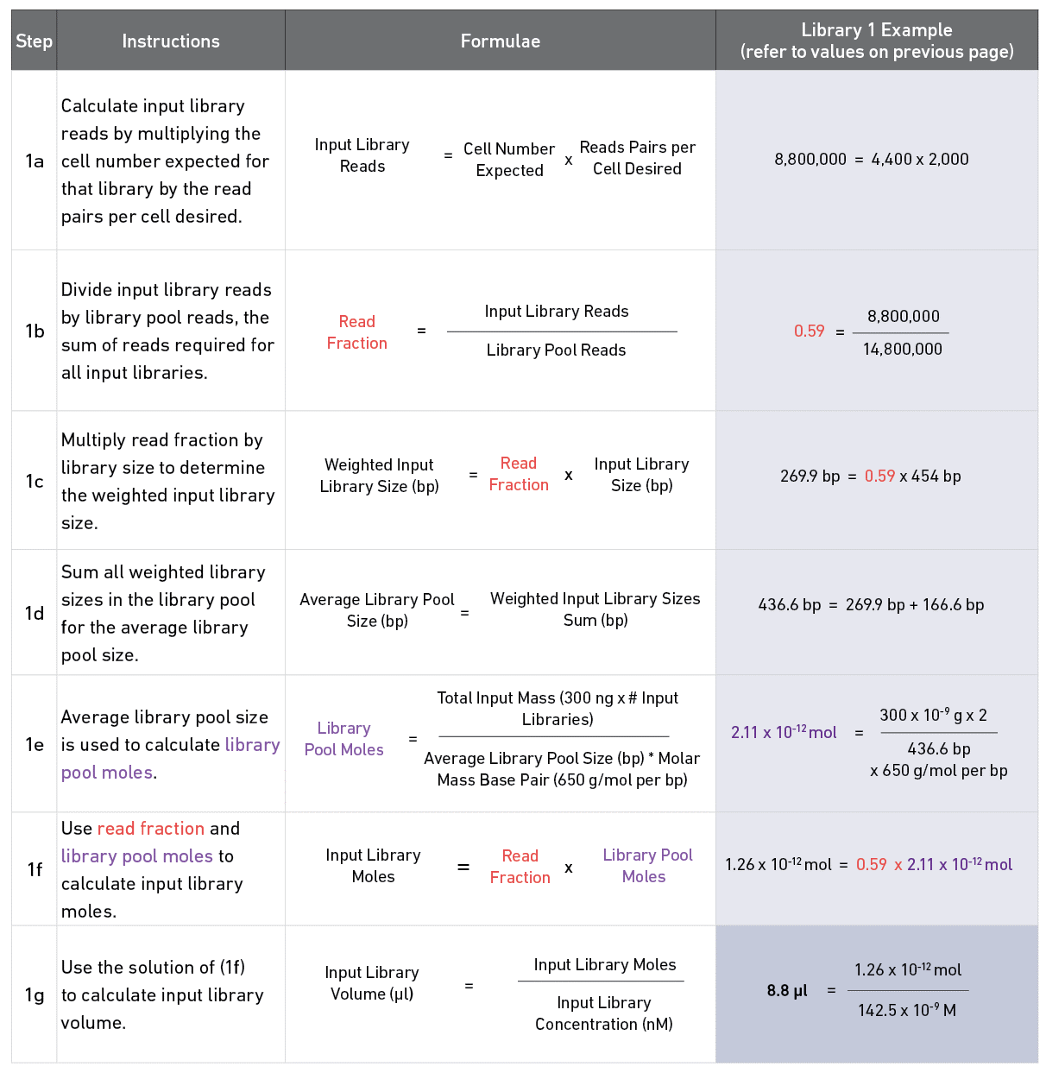
 | Stats |  |  |  | Consult this table from the Targeted Gene Expression - Single Cell User Guide (CG000293) or the equivalent table in the Targeted Gene Expression - Spatial User Guide (CG000377) for detailed instructions.
 | 300 | ng per input library
 | 0 | input libraries in pulldown
 | 0 | ng total DNA in pulldown
 | 0 | total cells/spots in pulldown
 | 0 | total reads required
(1d) | #DIV/0! | average library pool size (bp)
(1e) | #DIV/0! | moles of library pool

Legend
Blue | Indicates fields where data needs to be input manually.
Green | Indicates volumes to be used to make the library pool.
Red | Indicates that you can't proceed without changing the value.
 | Input Library Volume will highlight red if less than 1 µl is calculated. Refer to Readme.

